Nov
LIST OF NEW ARRIVALS FOR November 2016
Donated
No. | Picture | Link | Title | Call No.
1 | 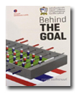 | images/Newbook/2016/nov/do/1.jpg | Behind the goal | GV944.T5 ภ414b 2557
2 |  | images/Newbook/2016/nov/do/2.jpg | ไกลบ้าน | PL4222 จ657ก 2547
3 |  | images/Newbook/2016/nov/do/3.jpg | ศึก 9 ทัพ : ธำรงรัฐ พิพัฒน์สยาม | DS578 ว114ศ 2555
MUIC Library
No. | Picture | Link | Title | Call No.
1 | 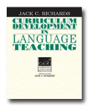 | images/Newbook/2016/nov/lib/1.jpg | Curriculum development in language teaching | P53.295 R516c 2001
2 |  | images/Newbook/2016/nov/lib/2.jpg | Harry Potter and the cursed child | Fic T511H 2016
3 | 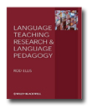 | images/Newbook/2016/nov/lib/3.jpg | Language teaching research and language pedagogy | P118.2 E47L 2012
4 | 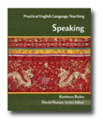 | images/Newbook/2016/nov/lib/4.jpg | Practical english language teaching | PE1128 B154p 2005
5 |  | images/Newbook/2016/nov/lib/5.jpg | Star brands | HD69.B7 R735s 2015
6 |  | images/Newbook/2016/nov/lib/6.jpg | The last lecture | QA76.2.P38 P334L 2008
7 | 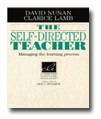 | images/Newbook/2016/nov/lib/7.jpg | The self-directed teacher | PB35 N972s 1996
8 | 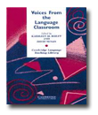 | images/Newbook/2016/nov/lib/8.jpg | Voices from the language classroom | P51 V889 1996
9 |  | images/Newbook/2016/nov/lib/9.jpg | What I know for sure | Fic W768w 2015
Science Division
No. | Picture | Link | Title | Call No.
1 |  | images/Newbook/2016/nov/sc/1.jpg | Beautiful failures | LC191 C593b 2016
Social Science Division
No. | Picture | Link | Title | Call No.
1 |  | images/Newbook/2016/nov/ss/1.jpg | Africans and the industrial revolution in England | HF1379 I56A 2002
2 | 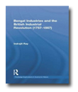 | images/Newbook/2016/nov/ss/2.jpg | Bengal industries and the british industrial revolution (1757-1857) | HC437.B257 R263B 2011
3 | 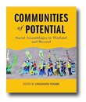 | images/Newbook/2016/nov/ss/3.jpg | Communities of poential | HM756 C734 2016
4 | 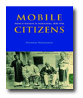 | images/Newbook/2016/nov/ss/4.jpg | Mobile citizens | JV8753.7 P148m 2016
5 |  | images/Newbook/2016/nov/ss/5.jpg | The industrious revolution | HC79.C6 V982i 2008
6 | 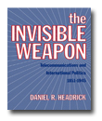 | images/Newbook/2016/nov/ss/6.jpg | The invisible weapon | HE7651 H433i 2012
7 | 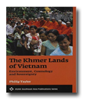 | images/Newbook/2016/nov/ss/7.jpg | The Khmer lands of Vietnam | GF669.5 T245K 2014
8 | 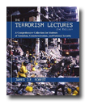 | images/Newbook/2016/nov/ss/8.jpg | The terrorism lectures | HV6431 F716t 2015
9 | 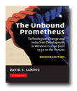 | images/Newbook/2016/nov/ss/9.jpg | The unbound Prometheus | HC240 L256u 2003
10 | 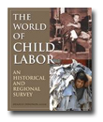 | images/Newbook/2016/nov/ss/10.jpg | The world of child labor | HD6231 W927 2009
11 | 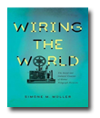 | images/Newbook/2016/nov/ss/11.jpg | Wiring the world | HE7631 M958w 2016
THM
No. | Picture | Link | Title | Call No.
1 | 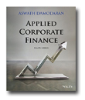 | images/Newbook/2016/nov/thm/1.jpg | Applied corporate finance | HG4011 D163a 2015
2 |  | images/Newbook/2016/nov/thm/2.jpg | Frugal innovation | HD45 R129f 2014

